ScreenShots
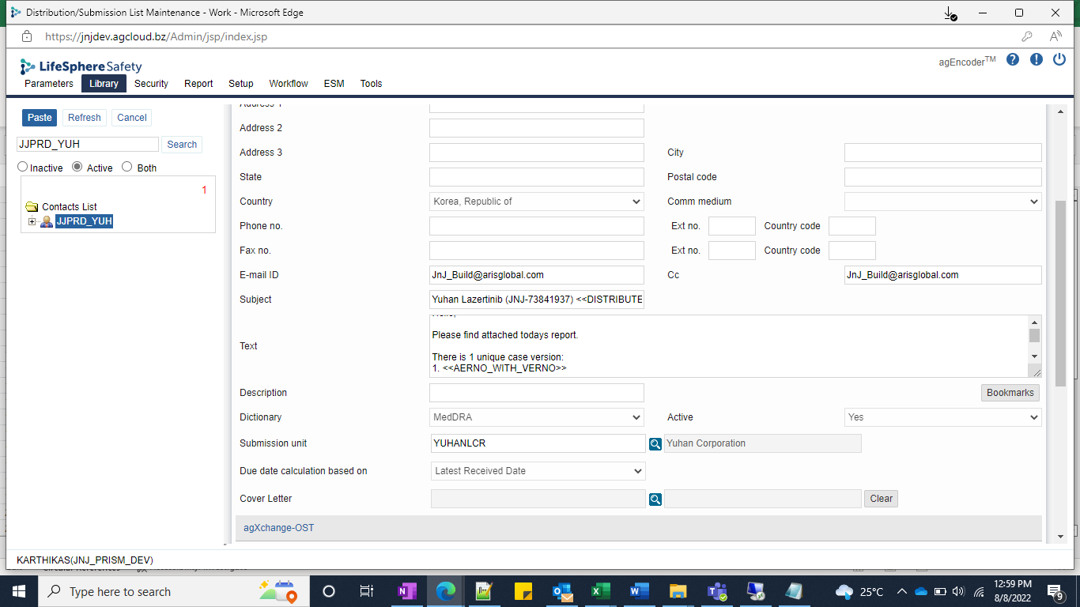
TEST_CASE_001

